Submission Info
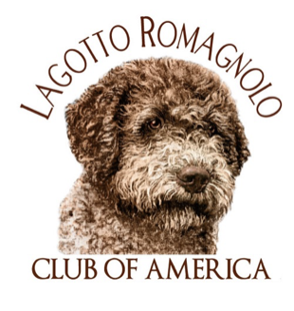
 | Lagotto Romagnolo Club of America Versatility Award Application & Points Schedule | effective 1/1/2023

Directions: | Complete the below information and fill out the Points Schedule tabs on this worksheet. Remember to also attach documentation of your titles. Send all completed forms to the Awards Chair. All applications must be received 1 month prior to the National Specialty for the specific year.
Date Submitting
Award Applying For (VC, VCX or VCH)

Dog's Registered Name
Dog's Call Name
AKC Registration #
Date of Birth
Breeder(s)
Owner Name(s)
Owner Mailing Address
Owner Email
Owner Telephone Number
 | REMEMBER TO ATTACH TITLE DOCUMENTATION

Certificate Levels: | Points Needed
Versatility Certificate VC | 30
Versatility Excellent VCX | 45
Versatility Champion VCH | 60

Notes: | **All Versatility Awards require at least 2 points in at least 4 Categories
 | **VC and VCX requires at least 1 pt in Scent Skills. A VCH requires at least 2 pts in Scent Skills.

Versatility Categories:
Conformation
Scent Skills
Agility
Obedience/Rally
Performance Events
Companion Events

GRAND TOTAL POINTS | This will automatically calculate do not enter points |  | 0
# of Versatility Categories

Mail to Awards Chair: | Catherine Elder - lilyfieldk9@gmail.com

